Tipper Calculations
TIPPER CALCULATION SHEET
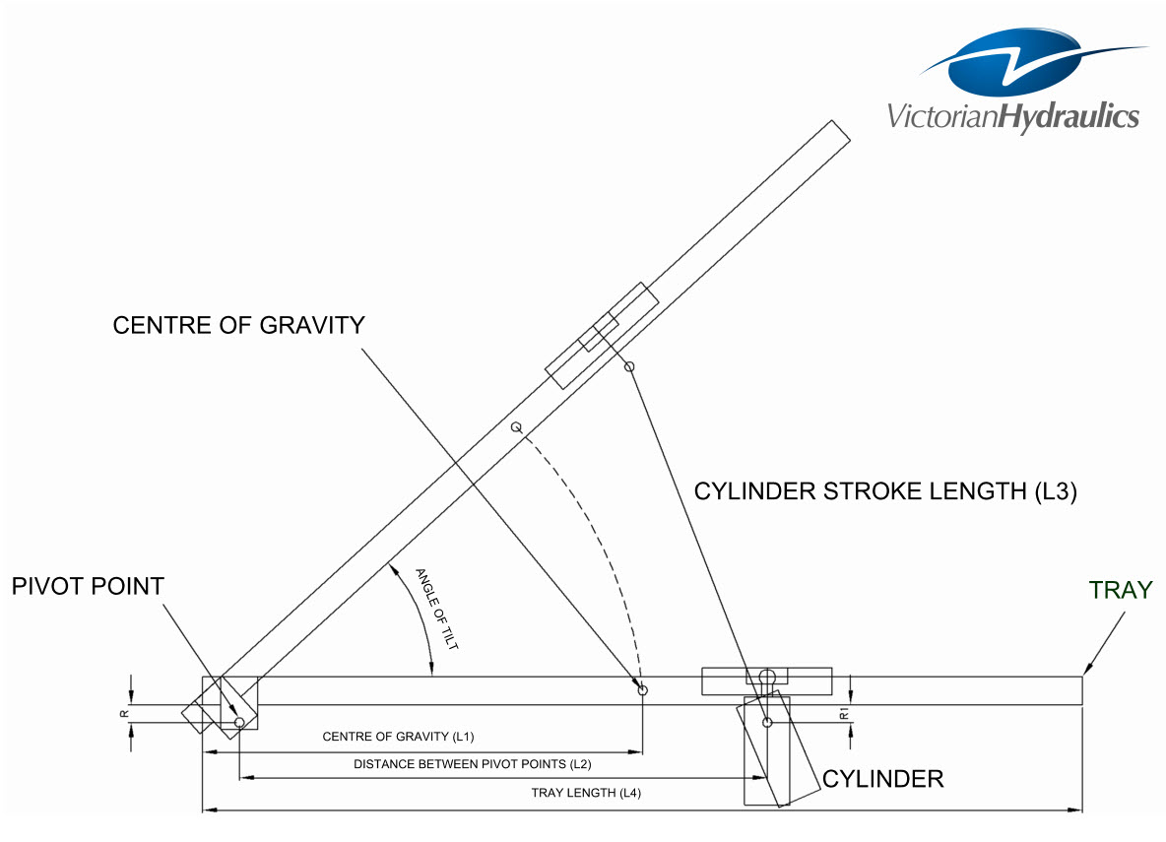
 |  |  |  |  |  |  |  |  |  |  | Tipper Kit Part No. |  |  | TK*XLONG

 |  |  |  |  |  |  |  |  |  |  | Requires Manual Input
 |  |  |  |  |  |  |  |  |  |  | Tray Weight (Empty) = |  |  |  | 800 | kg
 |  |  |  |  |  |  |  |  |  |  | Gross Tray Weight (Loaded) = |  |  |  | 1,000 | kg
 |  |  |  |  |  |  |  |  |  |  | Centre of Gravity |  |  | L1 = | 1,000 | mm
 |  |  |  |  |  |  |  |  |  |  | Distance between Pivot Points |  |  | L2 = | 1,500 | mm | 0.65
 |  |  |  |  |  |  |  |  |  |  | Cylinder Stroke (Refer Data Sheet) |  |  | L3 = | 1,250 | mm | 2937500
 |  |  |  |  |  |  |  |  |  |  | Tray Length |  |  | L4 = | 2,000 | mm | 4500000
 |  |  |  |  |  |  |  |  |  |  | Tipping Angle |  |  | Tilt= | 49.2 | d

 |  |  |  |  |  |  |  |  |  |  | Fixed Value
 |  |  |  |  |  |  |  |  |  |  | Max Working Pressure of Cylinder (Pmax) = |  |  |  | 160.0 | Bar
 |  |  |  |  |  |  |  |  |  |  | Flow Rate of Power Pack (Raise) = |  |  |  | 5.5 | l/min
 |  |  |  |  |  |  |  |  |  |  | Flow Rate of Power Pack (Lower) = |  |  |  | 9.0 | l/min

 |  |  |  |  |  |  |  |  |  |  | Referenced Value
 |  |  |  |  |  |  |  |  |  |  | Stroke Volume of Cylinder = |  |  |  | 7.7 | l
 |  |  |  |  |  |  |  |  |  |  | Overall Cylinder Diameter = |  |  |  | 120.0 | mm
 |  |  |  |  |  |  |  |  |  |  | Smallest Rod Diameter = |  |  |  | 45.0 | mm

 |  |  |  |  |  |  |  |  |  |  | Automatically Calculated

 |  |  |  |  |  |  |  |  |  |  | Result |  | Acceptable |  | NOT Acceptable

 | Using Cylinder Part No |  |  | 6TG-E120*1250QZ
 |  |  |  |  |  |  | to be able to produce a force of |  |  | 1 | Tonne | at a pressure of |  |  | 26 | Bar
 | Cylinder can produce a maximum force of |  |  |  | 18 | Tonne | which includes an underload of |  |  | 20 | % | with a max working press of |  |  | 160 | Bar

 | IS CYLINDER FORCE ACCEPTABLE FOR APPLICATION? |  |  |  |  |  |  |  |  | IS CYLINDER SYSTEM LOCATION ACCEPTABLE?
 | SYSTEM OK = Fmax > Y2 |  | SET-UP |  | ACCEPTABLE |  |  |  |  | SYSTEM OK (tact < tmax) = |  |  | SET-UP |  | ACCEPTABLE
 | SYSTEM OK? = |  |  |  |  |  |  |  |  | SYSTEM OK? = |  |  |  |  |  |  | TRUE
 |  |  |  |  |  |  |  |  |  |  |  |  |  |  |  |  | TRUE
 |  |  |  |  |  |  |  |  |  |  |  |  |  |  |  |  | TRUE
 | IS CYLINDER PRESSURE ACCEPTABLE FOR APPLICATION? |  |  |  |  |  |  |  | IS POWER PACK TANK ACCEPTABLE FOR APPLICATION?
 | SYSTEM OK = P < Pmax |  | SET-UP |  | ACCEPTABLE |  |  |  | 6L SRH (Option) |  | Tank Vol. (usable) = |  | 5.2 | l | NOT ACCEPTABLE |  | FALSE
 | SYSTEM OK? = |  |  |  |  |  |  |  | 10L SSH Standard) |  | Tank Vol. (usable) = |  | 8.5 | l | ACCEPTABLE |  | TRUE
 |  |  |  |  |  |  |  |  | 15L SSH (Option) |  | Tank Vol. (usable) = |  | 13.5 | l | ACCEPTABLE |  | TRUE

 | IS TIPPING ANGLE ACCEPTABLE FOR APPLICATION? |  |  |  |  |  |  |  | OVERALL APPLICATION SET-UP IS |  |  |  | ACCEPTABLE
 | SYSTEM OK = d >39ᴼ & <58ᴼ |  | SET-UP |  | ACCEPTABLE |  |  |  |  |  |  |  |  |  |  |  | TRUE
 | SYSTEM OK? = |  |  |  |  |  |  |  |  |  |  |  |  |  |  |  | TRUE
 |  |  |  |  |  |  |  |  |  |  |  |  |  |  |  |  | TRUE
 | FORCE APPLIED (FULL LOAD)
 | Allowance for Overload |  |  | 20 | % |  |  |  |  |  | FORCE APPLIED (NO LOAD)
 | m = |  |  | 1,800 | kg |  |  |  |  |  | m = | 800 | kg | 1 Bar = | 100,000 | Pa
 | g = |  |  | 9.81 | m/s2 |  |  |  |  |  | g = | 9.81 | m/s2 | 1 Pa = | 1 | N/m
 | Overload = |  |  | 3,532 | N |  |  |  |  |  | W =mg |  |  | π = | 3.14 | Nom.
 | W =mg x Overload |  |  |  |  |  |  |  |  |  | W1 = | 7,848 | N | 1 Mpa = | 1,000,000 | Pa
 | W = |  |  | 21,190 | N

 | FORCE REQUIRED TO LIFT A FULL LOAD |  |  |  |  |  |  |  | FORCE RESISTANCE OF CYLINDER
 | W = |  |  | 21,190 | N |  |  |  | Est. (Pmin) = |  | 1.90 | Bar | Cylinder Diameter = |  | 120 | mm
 | L1 = |  |  | 1,000 | mm |  |  |  | Area (A) = π(r x r) = |  | 0.01 | m2 | Cylinder Radius = |  | 0.06 | m
 | L2 = |  |  | 1,500 | mm |  |  |  | FORCE MIMIMUM (Ycyl) = (Pmin x A)
 | L3 = |  |  | 1,250 | mm |  |  |  | Ycyl = |  |  |  | 2,149 | N | 2.15 | kN
 | Sy = Y1 + Y2 - W = 0 |  |  |  |  |  |  |  | CYLINDER PRESSURE RESISTANCE (Pcyl) = Ycyl /A
 | Sm1 = -W x L1 + Y2 X L2 = 0 |  |  |  |  |  |  |  | Pcyl = |  |  |  | 190,000.00 | N/m | 1.90 | Bar
 | Y2 = (W x L1)/L2
 | Y1 = W-Y2
 | Y2 = |  |  | 14,126 | N |  |  |  |  |  | FORCE APPIED ON CYLINDER BY NO LOAD (EQUALLY DISTRIBUTED)
 | Y1 = |  |  | 7,063 | N |  |  |  |  |  | L1 = | 1,000 | mm | W1 = | 7,848 | N
 |  |  |  |  |  |  |  |  |  |  | L2 = | 1,500 | mm |  |  |  | TRUE
 | PRESSURE REQUIRED TO LIFT A FULL LOAD |  |  |  |  |  |  |  |  |  | FORCE APPLED ON CYLINDER (Ycyl) = (W x L1)/L2
 | Cylinder Diameter = |  |  | 82.50 | mm |  |  |  |  |  | Ycyl1 = |  | 5,232.00 | N | 5.23 | kN
 | Cylinder Radius = |  |  | 0.04 | m |  |  |  |  |  | PRESSURE APPLIED ON CYLINDER (Pcyl) = Ycyl1/A
 | Area (A) = π(r x r) = |  |  | 0.01 | m2 |  |  |  |  |  | Pcyl1 = |  | 462,610.37 | N/m | 4.63 | Bar
 | Max. force Required (Y2) = |  |  | 14,126 | N
 | P = W/A
 | Theo.P.(P)= | 2,642,614 | N/m | 26.43 | Bar |  |  |  |  |  |  | POWER PACK - Raise/Lower TIME (in Seconds)
 |  |  |  |  |  |  |  |  |  |  |  | Raise Tray at Full Load |  |  | 1 min = | 60
 | MAX. FORCE PRODUCED BY CYLINDER |  |  |  |  |  |  |  |  |  |  | Stroke Volume (v) = |  | 7.70 | l
 | Cylinder Diameter = |  | 120.00 | mm | Pressure Applied |  | 160 | Bar |  |  |  | Flow (Q) = |  | 5.50 | l/min
 | Cylinder Radius = |  | 0.06 | m | Bar - Pa |  | 16,000,000 | Pa
 | Area (A) = π(r x r) = |  | 0.01 | m | Pa - N/m |  | 16,000,000 | N/m |  |  |  | Lower Tray at No Load |  |  | 1 min = | 60
 | F = P x A |  |  |  |  |  |  |  |  |  |  | Flow (Q) = |  | 9.00 | l/min
 | Maximum Force with a Underload of |  |  | 20 | % | = | 180,956 | N |  |  |  | t=V/Q
 |  |  |  |  |  |  | 180.96 | kN |  |  |  | Raise |  | t= | 84.00 | sec
 |  |  |  |  |  |  |  |  |  |  |  | Lower |  | t= | 51.33 | sec

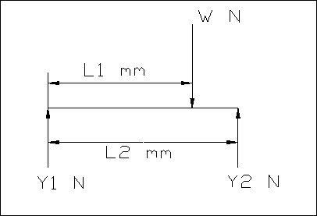
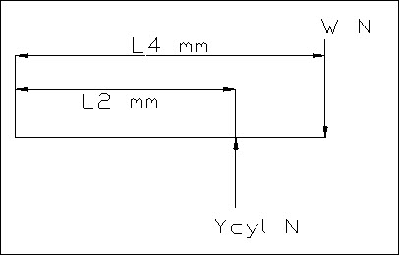
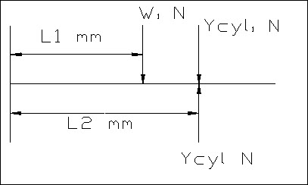
 | N | Newtons
 | t | time
 | d | degrees
 | m | metres
 | sec | seconds
 | mm | millimetres
 | Pa | Pascals
 | min | minutes
 | kN | kiloNewtons
 | l | litres
 | g | gravitational acceleration
 | kg | kilogram
 | v | volume

Data Sheet - Cyls & Packs
Hydraulic Telescopic Cylinder
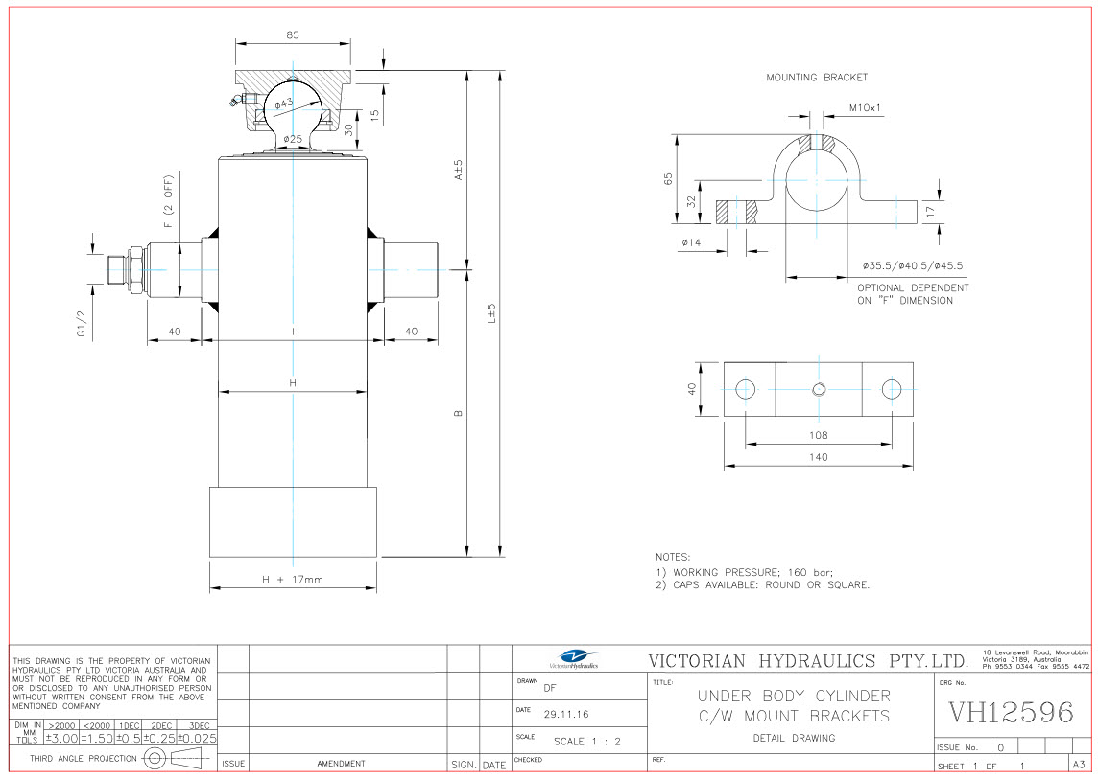

 |  |  |  |  |  |  |  |  |  |  |  |  |  |  |  |  | TANK - VH (DeliFlex)
 |  |  |  |  |  |  |  |  |  |  |  |  |  |  |  |  | Steel Round - Horizontal (SRH) |  |  |  |  |  | Steel Rectangular - Horizontal (SSH)
 |  |  |  |  |  |  |  |  |  |  |  |  |  |  |  |  | Part No |  | Nom Vol (l) | Usable Vol | Dia. (mm) | Length (mm) | Part No |  | Nom Vol (l) | Usable Vol | Height (mm) | Width (mm) | Length (mm)
 |  |  |  |  |  |  |  |  |  |  |  |  |  |  |  |  | KR45W |  | 5 | 3.8 | 170 | 250 | TK-36C |  | 10 | 8.5 | 213 | 198 | 260
 |  |  |  |  |  |  |  |  |  |  |  |  |  |  |  |  | YBZ-TRYX-6L-W |  | 6 | 5.2 | 178 | 300 | TK-03 |  | 12 | 10.2 | 213 | 198 | 301.5
 |  |  |  |  |  |  |  |  |  |  |  |  |  |  |  |  | YBZ-TRYX-8L-W |  | 8 | 6.8 | 178 | 370 | TK-120-15L-66-W-A |  | 15 | 13.5 | 213 | 198 | 410
 |  |  |  |  |  |  |  |  |  |  |  |  |  |  |  |  | YBZ-TRYX-10L-W |  | 10 | 8.1 | 178 | 440 | TK-15 |  | 20 | 17.8 | 213 | 198 | 534
 |  |  |  |  |  |  |  |  |  |  |  |  |  |  |  |  | YBZ-TRYX-12L-W |  | 12 | 10.2 | 178 | 540 | TK-34 |  | 25 | 23.5 | 213 | 198 | 705

 |  |  |  |  |  |  |  |  |  |  |  |  |  |  |  |  | Standard Tanks

 |  |  |  |  |  |  |  |  |  |  |  |  |  |  |  | Rod Diameter (per stage) |  |  |  |  |  | Ton Force @ 160 Bar (per stage) |  |  |  |  |  | Min Oil Tank Cap
No. | Model | Extension | Stroke | Capacity(t) | Volume (L) | Weight (Kg) | A | B | D | E | F | H | I | L | KIT | 1st | 2nd | 3rd | 4th | 5th | 6th | 1st | 2nd | 3rd | 4th | 5th | 6th | (Cyl Cap + 10%)
1 | 4TG-E90*800QZ | 4 | 800 | 5 | 3.2 | 21 | 155 | 223 | 85 | 43 | 40 | 112 | 135 | 378 | TK*SHORT | 90 | 75 | 60 | 45 | - | - | 10.2 | 7.1 | 4.5 | 2.5 | - | - | 3.5
2
3 | 6TG-E105*1000QZ | 6 | 1000 | 6 | 4.2 | 23 | 160 | 186 | 85 | 43 | 40 | 125 | 150 | 346 | TK*LONG | 105 | 90 | 75 | 60 | 45 | 30 | 13.9 | 10.2 | 7.1 | 4.5 | 2.5 | 1.1 | 4.6
5 | 6TG-E120*1250QZ | 6 | 1250 | 9 | 7.7 | 33 | 160 | 231 | 85 | 43 | 45 | 142 | 165 | 391 | TK*XLONG | 120 | 105 | 90 | 75 | 60 | 45 | 18.1 | 13.9 | 10.2 | 7.1 | 4.5 | 2.5 | 8.5
6 | 6TG-E120*1500QZ | 6 | 1500 | 9 | 8.7 | 37 | 160 | 273 | 85 | 43 | 45 | 142 | 165 | 433 | TK*XXLONG | 120 | 105 | 90 | 75 | 60 | 45 | 18.1 | 13.9 | 10.2 | 7.1 | 4.5 | 2.5 | 9.6

WEIGHTS & MEASURES (to be used as a guide ONLY)
Materials - Minimum Tipping Angles (Standard Floor) |  |  |  |  |  |  | Materials - Minimum Tipping Angles (Textured Floor) |  |  |  |  |  |  |  |  |  |  | Material Weights (tonne / m3)
Asphalt |  | 45ᴼ | Clay |  | 45ᴼ |  | Asphalt |  |  |  | 51ᴼ |  | Clay |  |  | 51ᴼ |  | Asphalt |  | 1.6 | Clay |  | 1.8
Concrete |  | 30ᴼ | Earth - Dry |  | 28ᴼ |  | Concrete |  |  |  | 34ᴼ |  | Earth - Dry |  |  | 32ᴼ |  | Concrete |  | 2.4 | Crushed Rock |  | 1.7
Earth - Moist |  | 50ᴼ | Rubble |  | 45ᴼ |  | Earth - Moist |  |  |  | 57ᴼ |  | Rubble |  |  | 51ᴼ |  | Earth - Moist |  | 0.85 | Grain |  | 0.6
Sand |  | 35ᴼ | Stone |  | 30ᴼ |  | Sand |  |  |  | 40ᴼ |  | Stone |  |  | 34ᴼ |  | Mud |  | 2.1 | Sand - Moist |  | 1.9

